Req_CFG_CC_Paths
Cyclomatic complexity
CC_1 | regions | 7
CC_2 | E-N+2 | 29-24+2=7
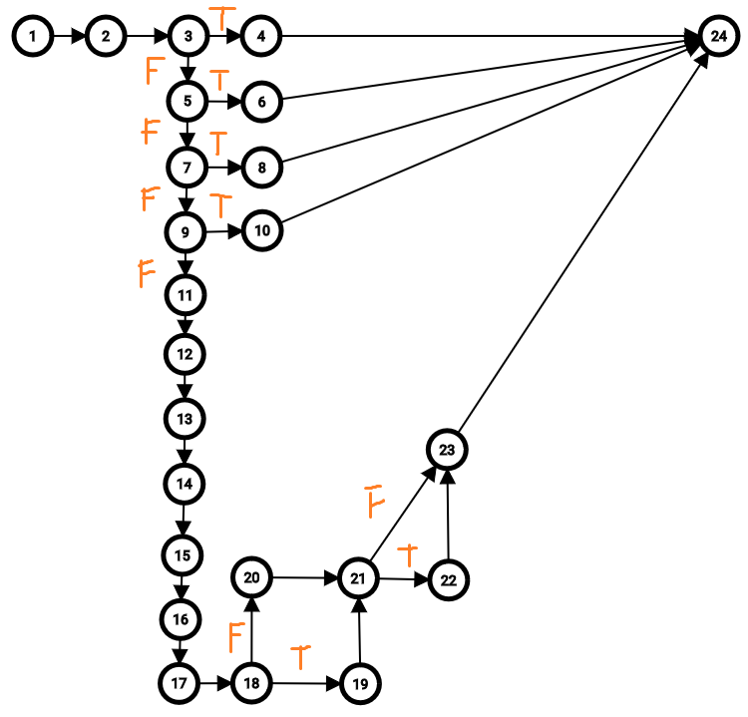
CC_3 | Predicate+1 | 6+1=7

Individual Paths
1 | 1-2-3-4-24
2 | 1-2-3-5-6-24
3 | 1-2-3-5-7-8-24
4 | 1-2-3-5-7-9-10-24
5 | 1-2-3-5-7-9-11-12-13-14-15-16-17-18-20-21-23-24
6 | 1-2-3-5-7-9-11-12-13-14-15-16-17-18-19-21-22-23-24
7 | 1-2-3-5-7-9-11-12-13-14-15-16-17-18-20-21-22-23-24

